16.07.2026
Kép | Modell | Név | Szorti | Stock | NK ár | Akciós NK ár | SRP
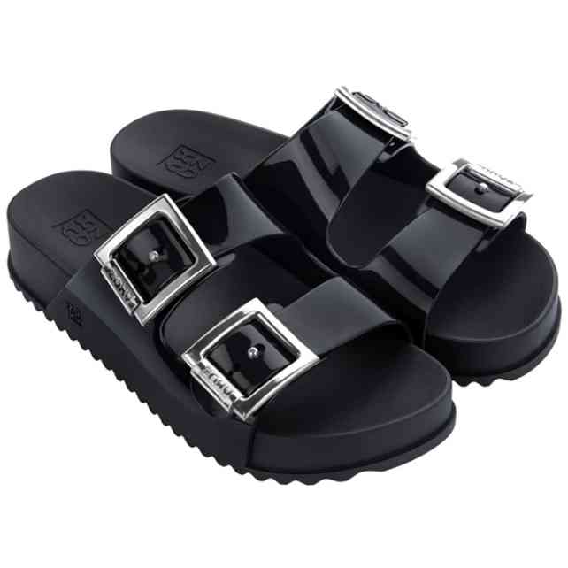 | 18063-90112 | ZAXY PARTNER III FEM | 1-2-3-4-2 | 24 | 7,079 Ft | 6,017 Ft | 16,990 Ft
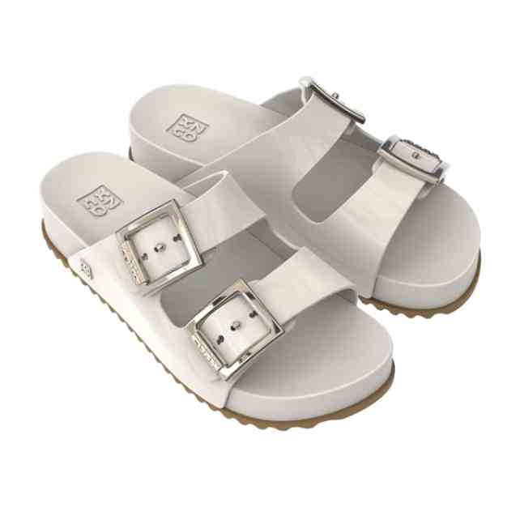 | 18063-90820 | ZAXY PARTNER III FEM | 1-2-3-4-2 | 12 | 7,079 Ft | 6,017 Ft | 16,990 Ft
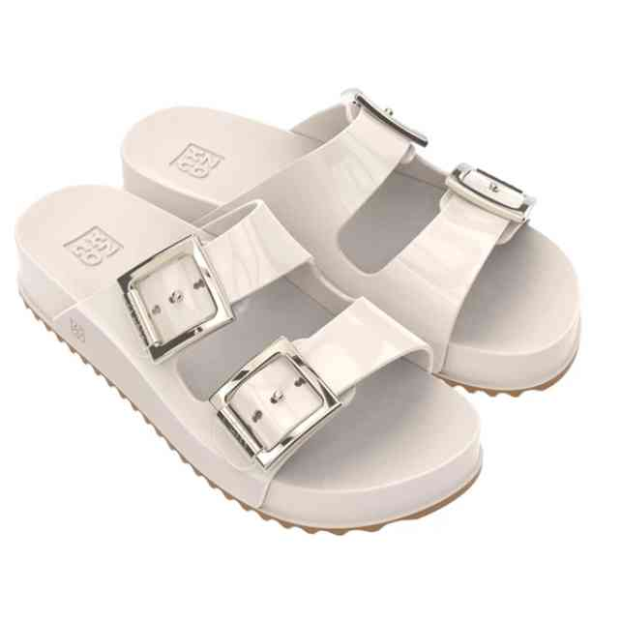 | 18063-AR092 | ZAXY PARTNER III FEM | 1-2-3-3-2-1 | 12 | 7,496 Ft | 6,372 Ft | 17,990 Ft
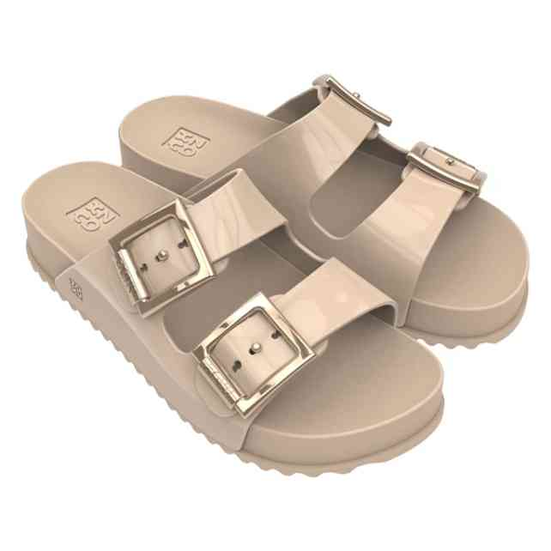 | 18063-BA306 | ZAXY PARTNER III FEM | 1-2-3-3-2-1 | 12 | 8,329 Ft | 7,080 Ft | 19,990 Ft
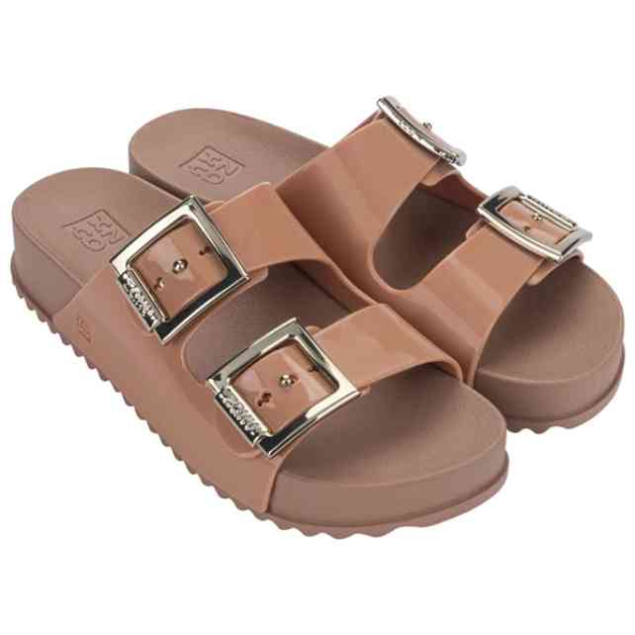 | 18063-BP664 | ZAXY PARTNER III FEM | 1-2-3-4-2 | 24 | 7,079 Ft | 6,017 Ft | 16,990 Ft
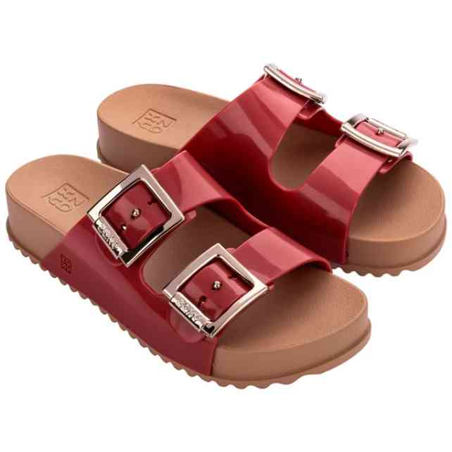 | 18063-BP665 | ZAXY PARTNER III FEM | 1-2-3-4-2 | 96 | 7,079 Ft | 6,017 Ft | 16,990 Ft
 | 18063-BP665W | ZAXY PARTNER III FEM | 1-1-1-1-1-1 | 30 | 7,079 Ft | 6,017 Ft | 16,990 Ft
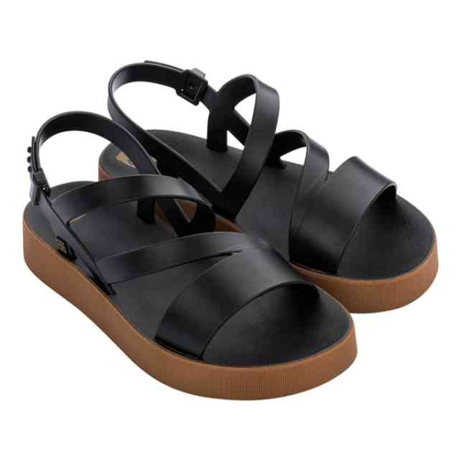 | 18281-91101 | ZAXY URBAN SAND PLAT | 1-2-3-3-2-1 | 179 | 5,829 Ft | 4,955 Ft | 13,990 Ft
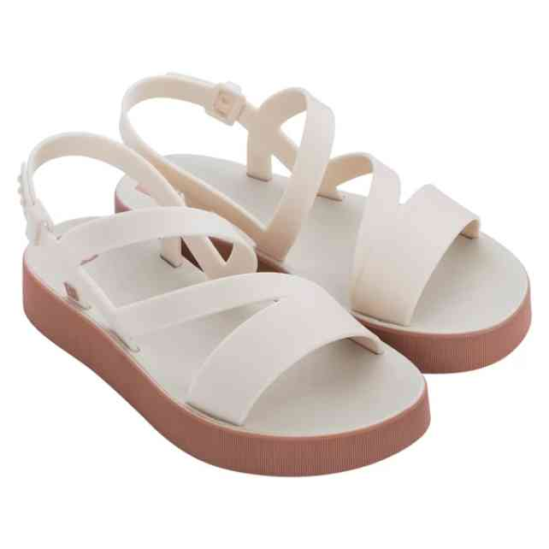 | 18281-91127 | ZAXY URBAN SAND PLAT | 1-2-3-3-2-1 | 200 | 5,829 Ft | 4,955 Ft | 13,990 Ft
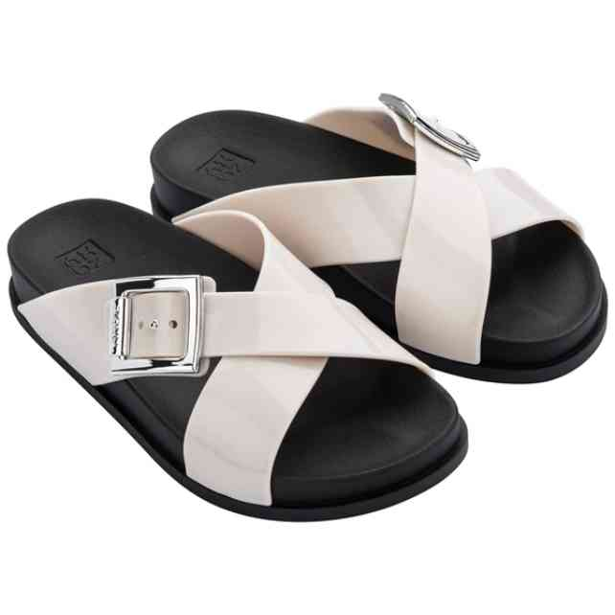 | 18283-91180 | ZAXY CHOICE BIRKEN F | 1-2-3-4-1-1 | 22 | 6,663 Ft | 5,664 Ft | 15,990 Ft
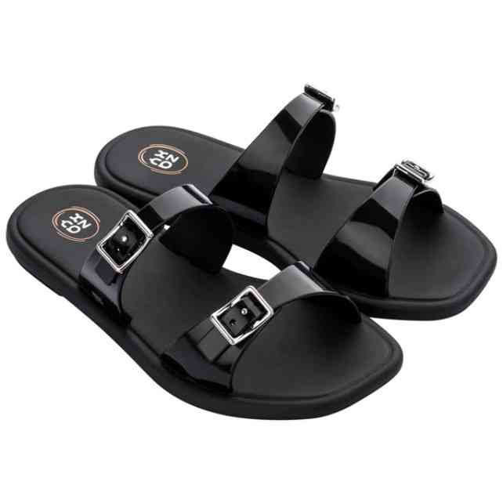 | 18324-90058 | ZAXY RECONHECER ENER | 1-2-3-3-2-1 | 23 | 5,413 Ft | 4,601 Ft | 12,990 Ft
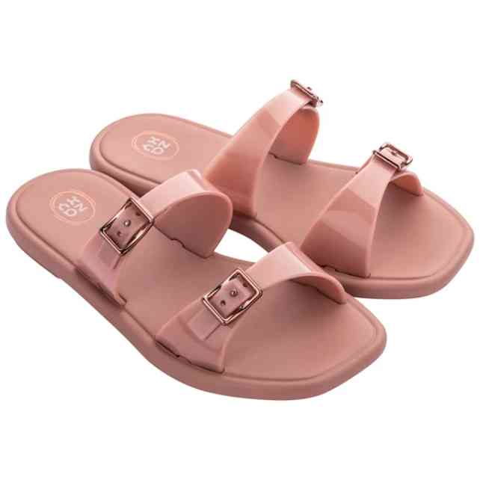 | 18324-91082 | ZAXY RECONHECER ENER | 1-2-3-3-2-1 | 12 | 5,413 Ft | 4,601 Ft | 12,990 Ft
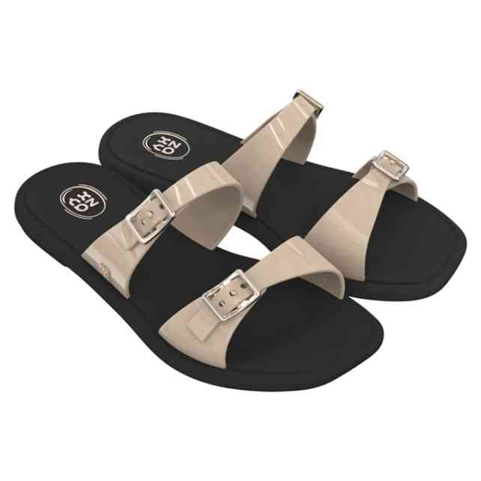 | 18324-91324 | ZAXY RECONHECER ENER | 1-2-3-3-2-1 | 12 | 5,413 Ft | 4,601 Ft | 12,990 Ft
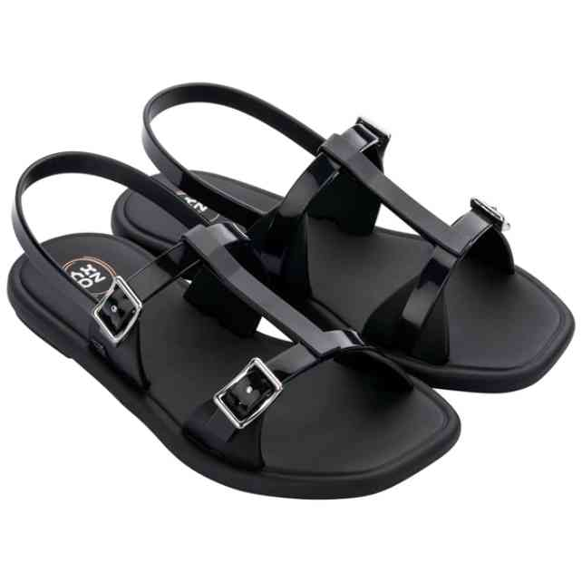 | 18326-90058 | ZAXY RECONHECER ENER | 1-2-3-3-2-1 | 11 | 5,829 Ft | 4,955 Ft | 13,990 Ft
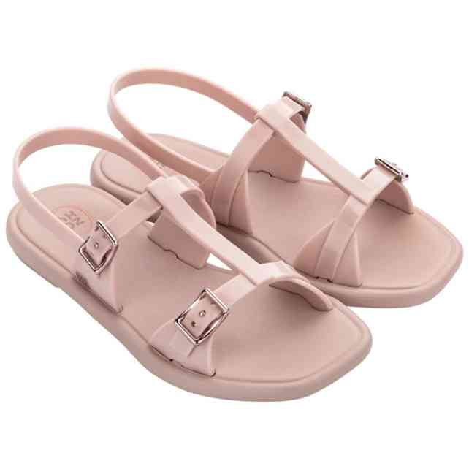 | 18326-91181 | ZAXY RECONHECER ENER | 1-2-3-3-2-1 | 12 | 5,829 Ft | 4,955 Ft | 13,990 Ft
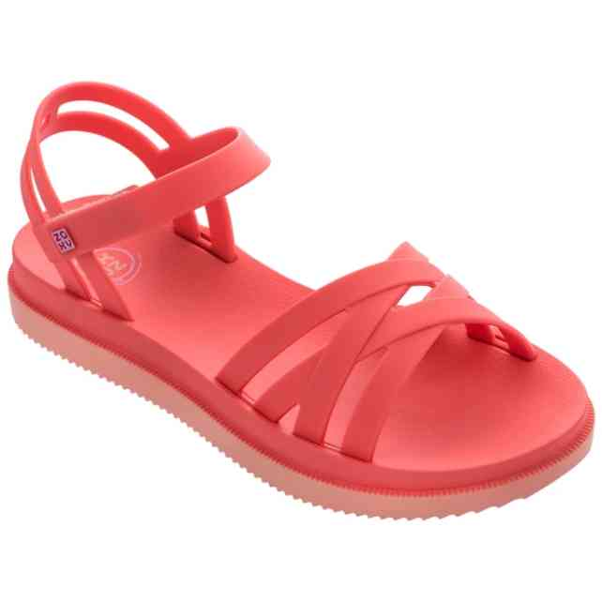 | 18327-90062 | ZAXY ABRACAR CALMA S | 1-2-3-3-2-1 | 59 | 6,246 Ft | 5,309 Ft | 14,990 Ft
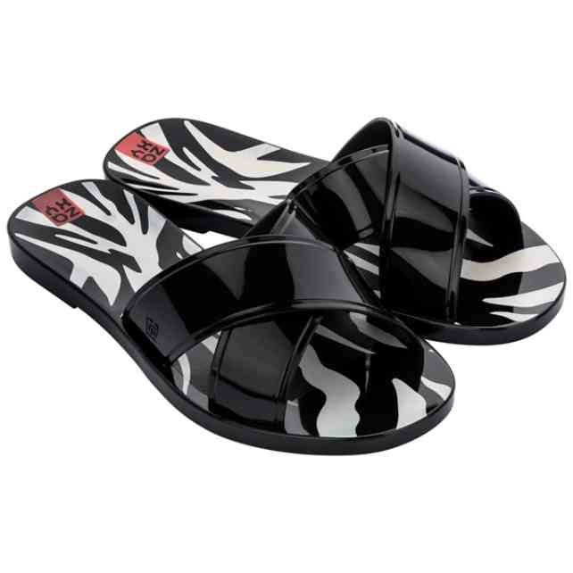 | 18405-91288 | ZAXY UNICA SLIDE FEM | 1-3-4-3-1 | 35 | 4,163 Ft | 3,539 Ft | 9,990 Ft
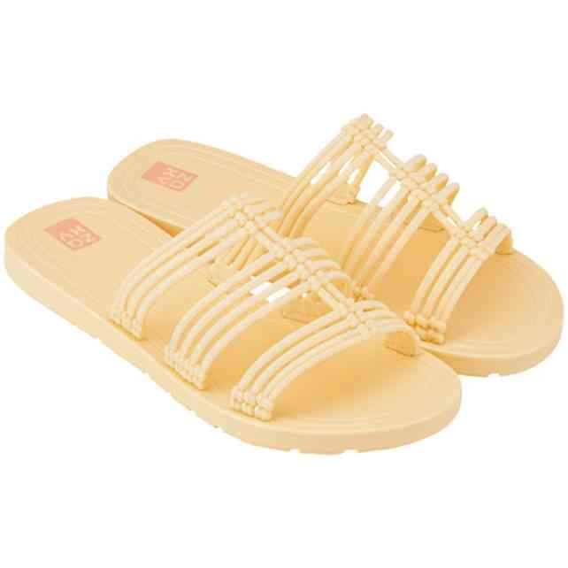 | 18407-90242 | ZAXY REFRESCANTE SLI | 1-2-3-3-2-1 | 12 | 4,579 Ft | 3,892 Ft | 10,990 Ft
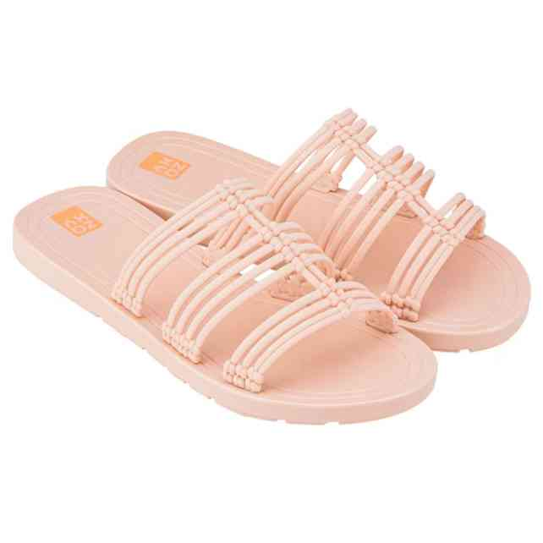 | 18407-91181 | ZAXY REFRESCANTE SLI | 1-2-3-3-2-1 | 12 | 4,579 Ft | 3,892 Ft | 10,990 Ft
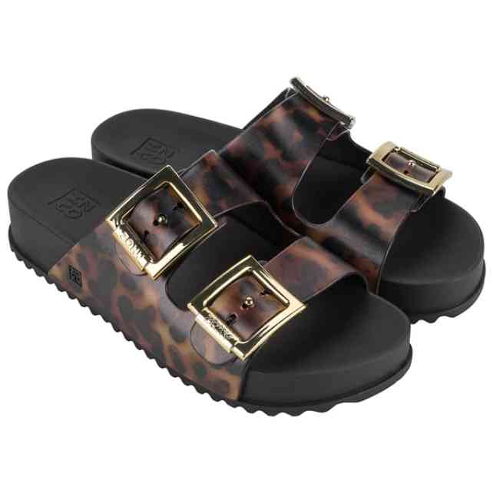 | 18954-AY004 | ZAXY PARTNER NEW AD | 1-3-4-3-1 | 24 | 8,329 Ft | 7,080 Ft | 19,990 Ft
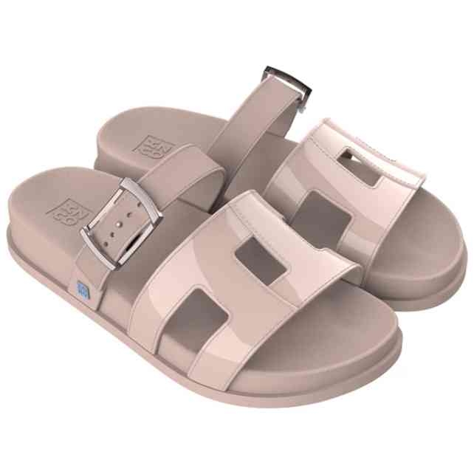 | 19054-BF130 | ZAXY CONNECT AD | 2-3-3-3-1 | 12 | 7,079 Ft | 6,017 Ft | 16,990 Ft
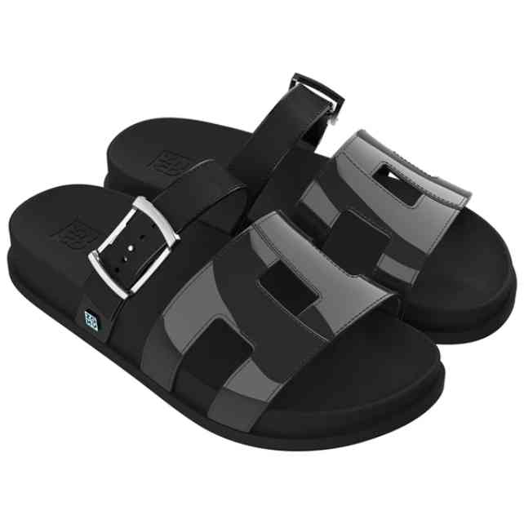 | 19054-BF131 | ZAXY CONNECT AD | 2-3-3-3-1 | 12 | 7,079 Ft | 6,017 Ft | 16,990 Ft
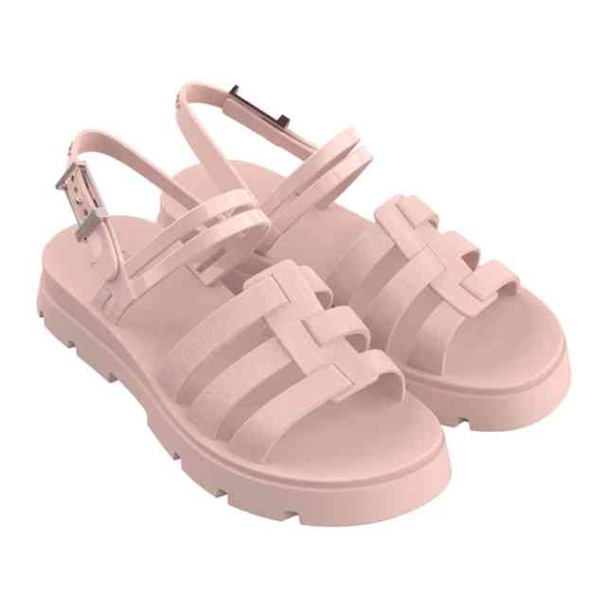 | 19071-BG639 | ZAXY CLUB SANDAL FEM | 2-3-3-3-1 | 12 | 7,496 Ft | 6,372 Ft | 17,990 Ft
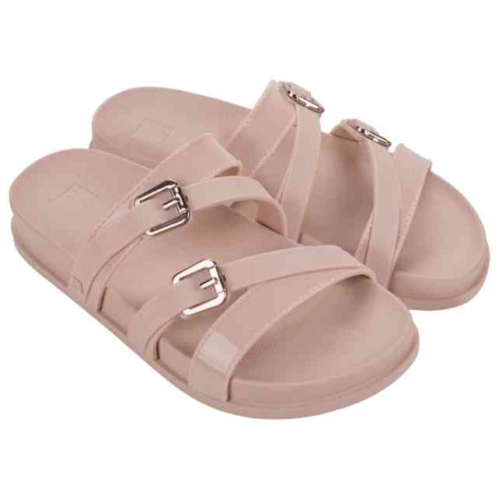 | 19115-BJ684 | ZAXY FINE AD | 2-3-3-3-1 | 12 | 6,663 Ft | 5,664 Ft | 15,990 Ft
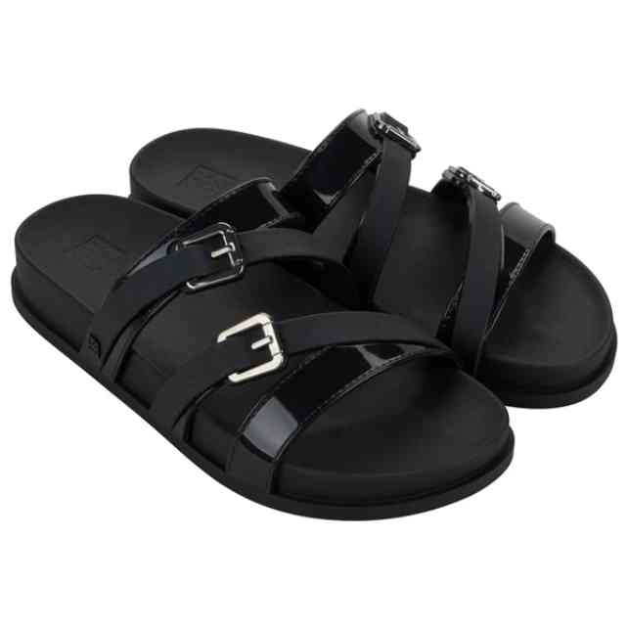 | 19115-BJ685 | ZAXY FINE AD | 2-3-3-3-1 | 12 | 6,663 Ft | 5,664 Ft | 15,990 Ft
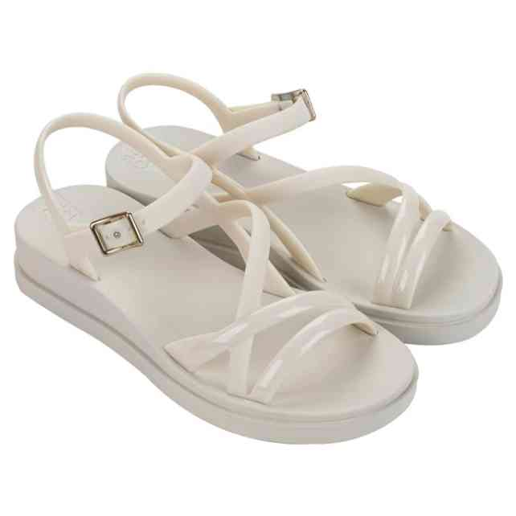 | 19165-BL379 | ZAXY CLASSY SAND AD | 1-2-3-4-2 | 12 | 5,413 Ft | 4,601 Ft | 12,990 Ft
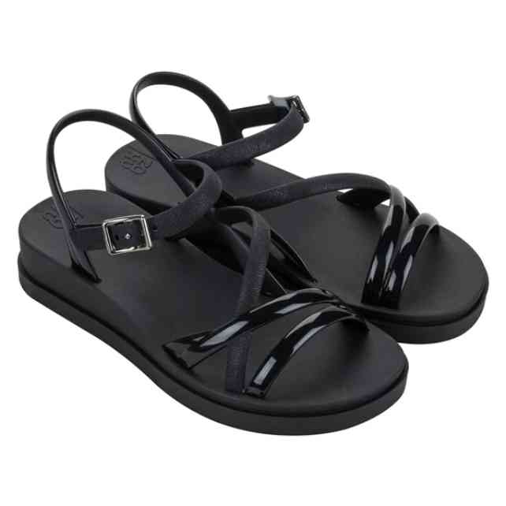 | 19165-BL381 | ZAXY CLASSY SAND AD | 1-2-3-4-2 | 36 | 5,413 Ft | 4,601 Ft | 12,990 Ft
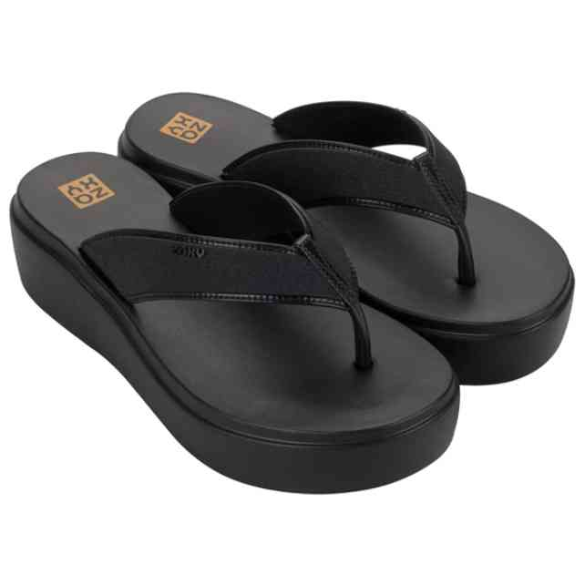 | 19166-BM008 | ZAXY LIT TAM AD | 1-2-3-4-2 | 24 | 6,663 Ft | 5,664 Ft | 15,990 Ft
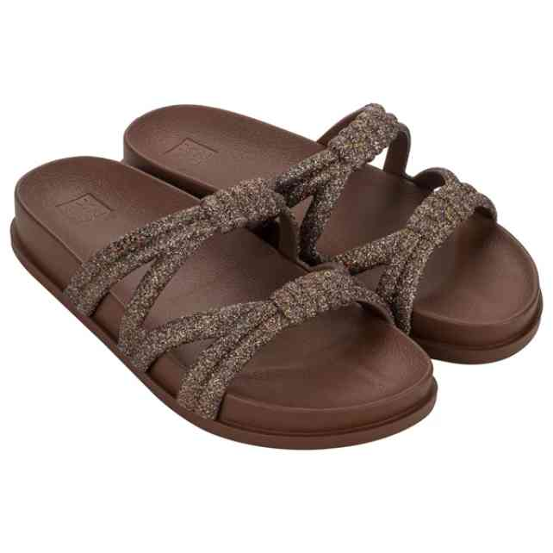 | 19187-BM428 | ZAXY POSE AD | 1-2-3-4-2 | 24 | 6,663 Ft | 5,664 Ft | 15,990 Ft
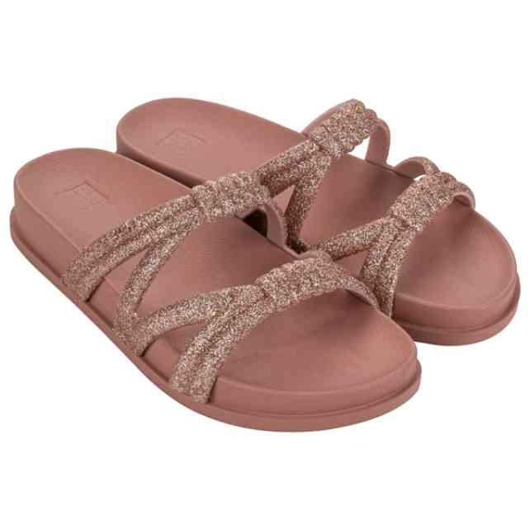 | 19187-BM430 | ZAXY POSE AD | 1-2-3-4-2 | 12 | 6,663 Ft | 5,664 Ft | 15,990 Ft
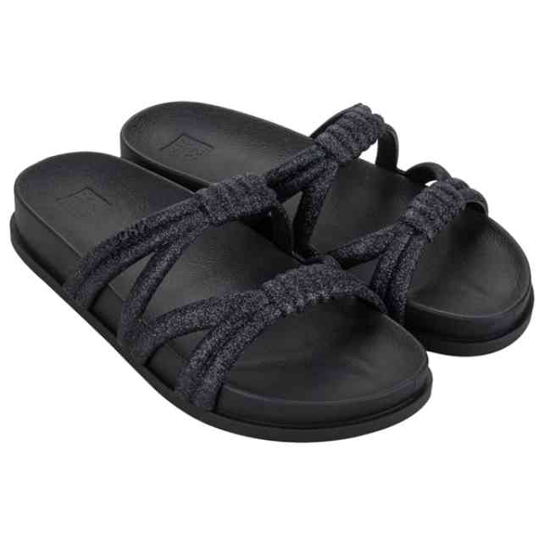 | 19187-BM431 | ZAXY POSE AD | 1-2-3-4-2 | 12 | 6,663 Ft | 5,664 Ft | 15,990 Ft
 | 19187-BM431W | ZAXY POSE AD | 1-1-2-1-1 | 12 | 6,663 Ft | 5,664 Ft | 15,990 Ft
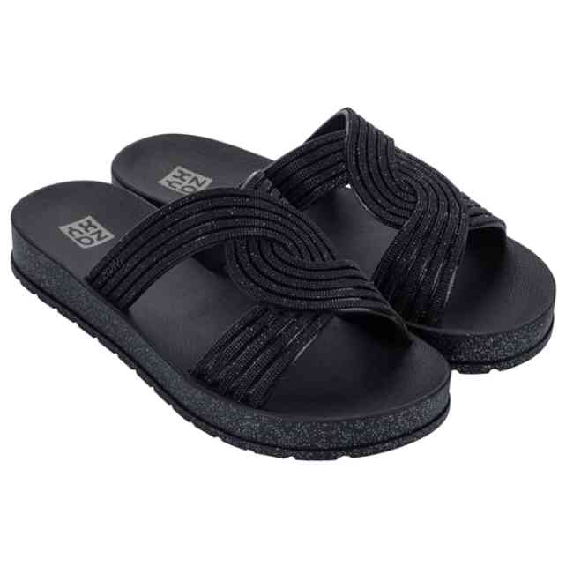 | 19213-BO436 | ZAXY CHIC AD | 1-2-3-4-2 | 12 | 6,246 Ft | 5,309 Ft | 14,990 Ft
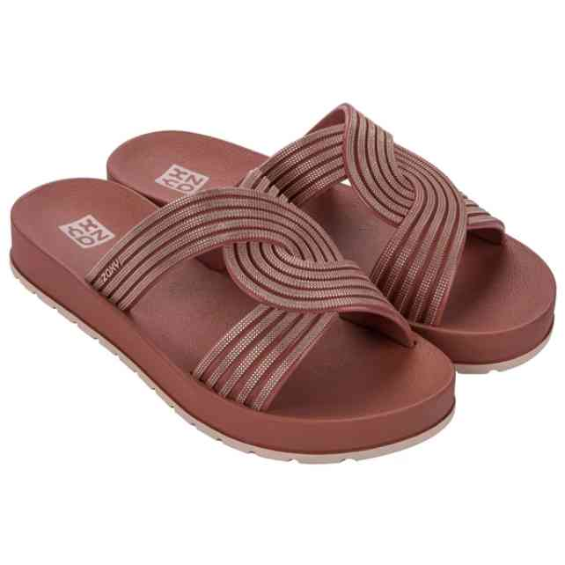 | 19213-BO441 | ZAXY CHIC AD | 1-2-3-4-2 | 24 | 6,246 Ft | 5,309 Ft | 14,990 Ft
 | 19213-BO441W | ZAXY CHIC AD | 1-1-2-1-1 | 6 | 6,246 Ft | 5,309 Ft | 14,990 Ft
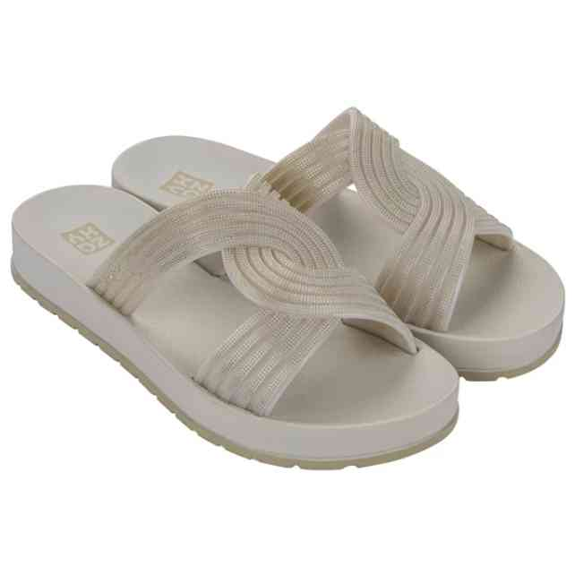 | 19213-BO442 | ZAXY CHIC AD | 1-2-3-4-2 | 12 | 6,246 Ft | 5,309 Ft | 14,990 Ft
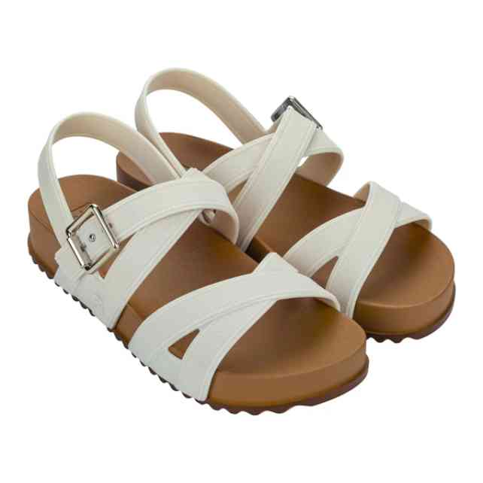 | 19216-BQ119 | ZAXY TIME SAND AD | 1-2-3-4-2 | 12 | 7,079 Ft | 6,017 Ft | 16,990 Ft
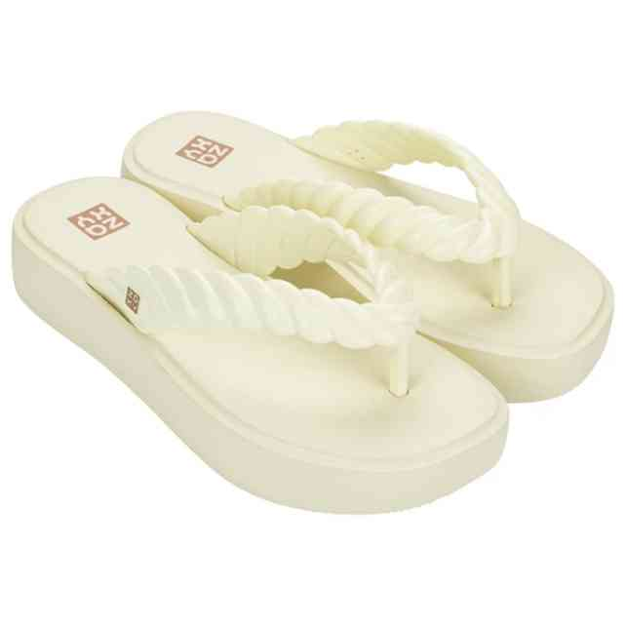 | 19262-BQ180 | ZAXY ROPE TAM AD | 1-2-3-4-2 | 24 | 5,413 Ft | 4,601 Ft | 12,990 Ft
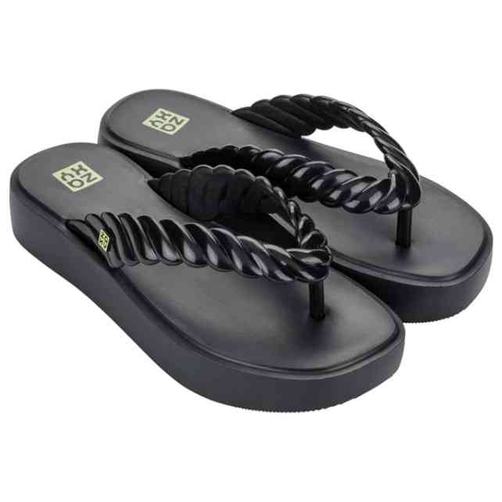 | 19262-BQ183 | ZAXY ROPE TAM AD | 1-2-3-4-2 | 12 | 5,413 Ft | 4,601 Ft | 12,990 Ft
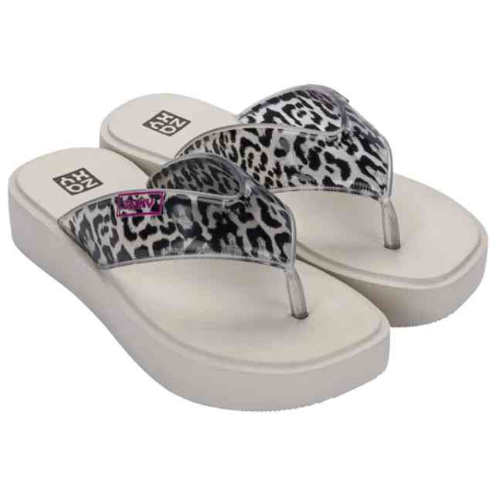 | 19264-BO337 | ZAXY TREND NEW AD | 1-2-3-4-2 | 12 | 6,246 Ft | 5,309 Ft | 14,990 Ft
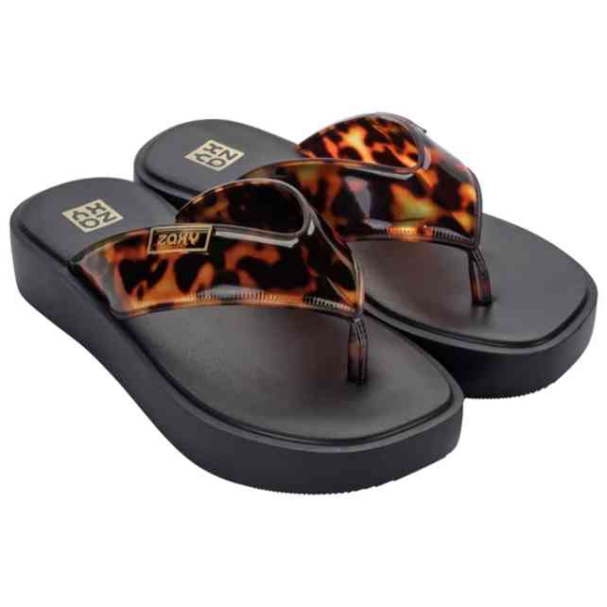 | 19264-BO339 | ZAXY TREND NEW AD | 1-2-3-4-2 | 36 | 6,246 Ft | 5,309 Ft | 14,990 Ft
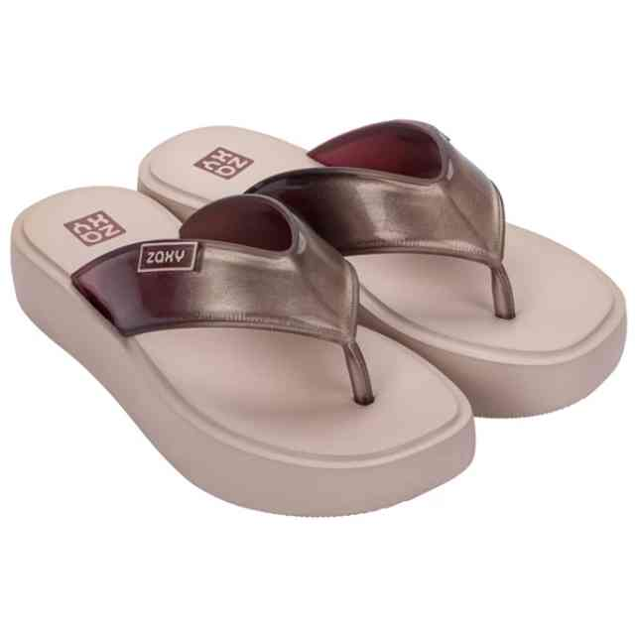 | 19264-BO340 | ZAXY TREND NEW AD | 1-2-3-4-2 | 12 | 6,246 Ft | 5,309 Ft | 14,990 Ft
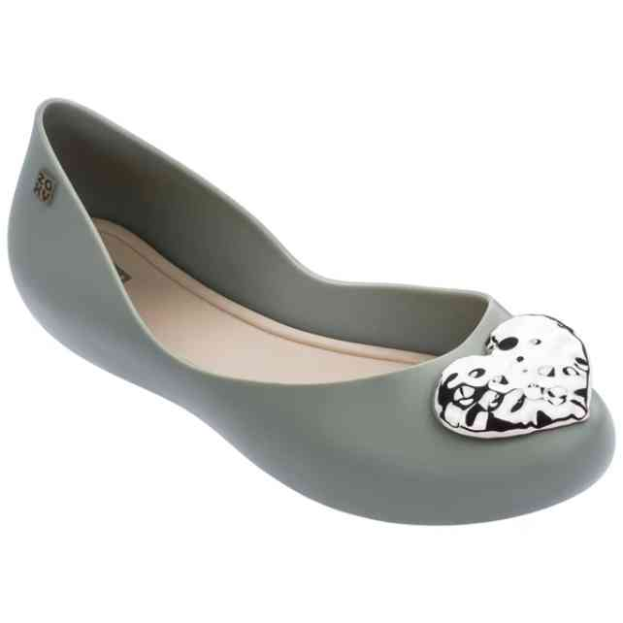 | 83104-50857 | ZAXY NEW START HEART | 1-2-3-3-2-1 | 12 | 6,246 Ft | 5,309 Ft | 14,990 Ft
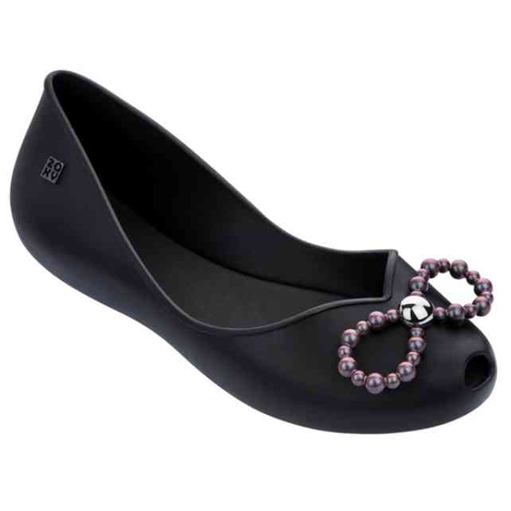 | 83105-52155 | ZAXY PRINCESS FEM | 1-2-3-3-2-1 | 12 | 6,246 Ft | 5,309 Ft | 14,990 Ft
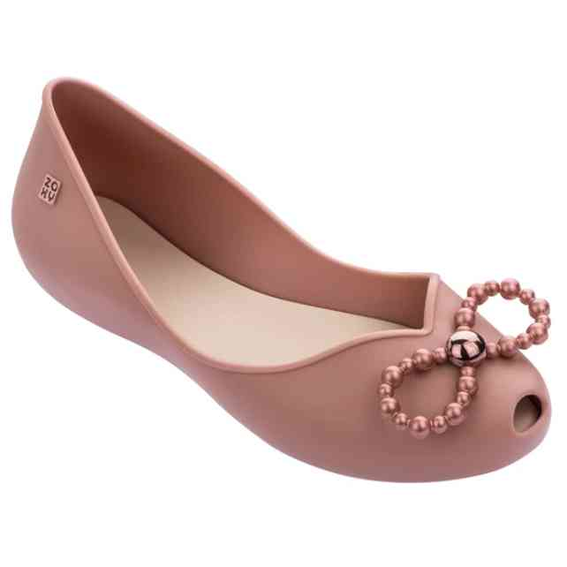 | 83105-52405 | ZAXY PRINCESS FEM | 1-2-3-3-2-1 | 23 | 6,246 Ft | 5,309 Ft | 14,990 Ft
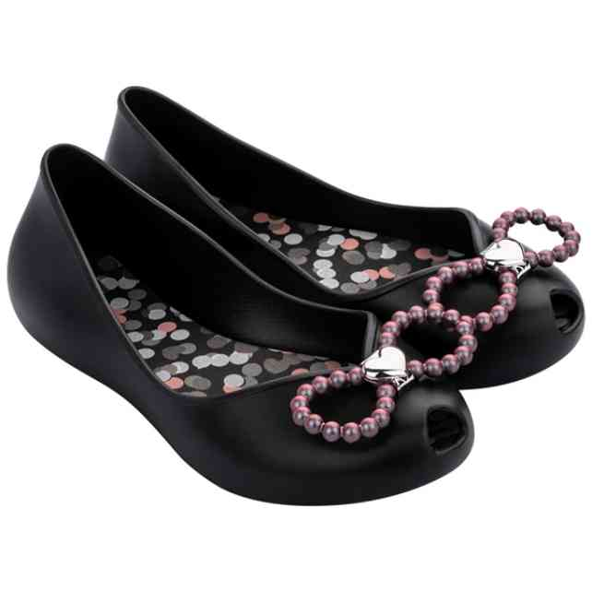 | 83107-50545 | ZAXY PRINCESS KIDS | 1-1-2-2-2-2-2 | 23 | 5,413 Ft | 4,601 Ft | 12,990 Ft
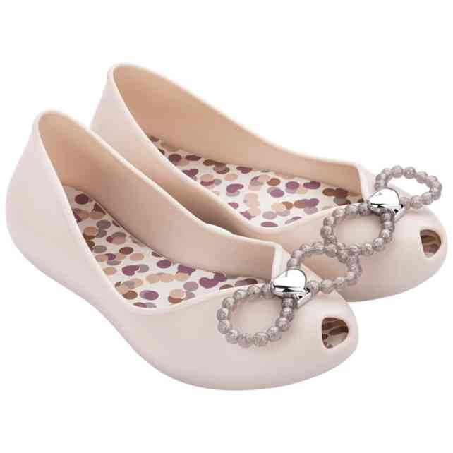 | 83107-52009 | ZAXY PRINCESS KIDS | 1-1-2-2-2-2-2 | 12 | 5,413 Ft | 4,601 Ft | 12,990 Ft
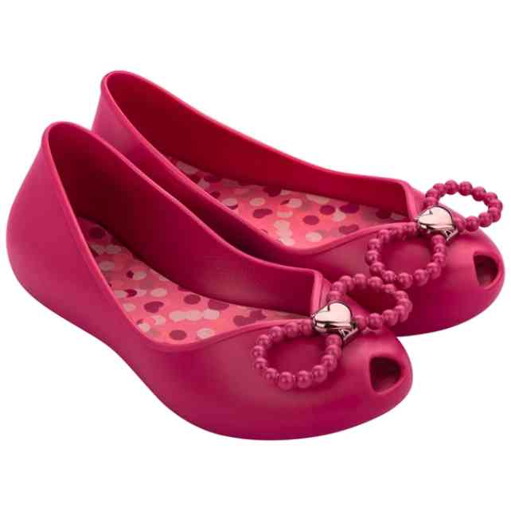 | 83107-52558 | ZAXY PRINCESS KIDS | 1-1-2-2-2-2-2 | 23 | 5,413 Ft | 4,601 Ft | 12,990 Ft

